Guide
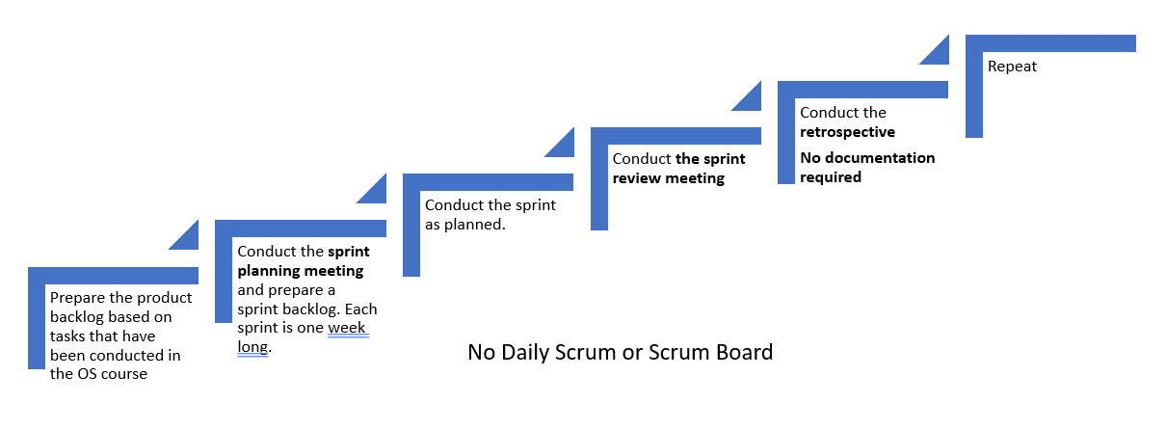
Product Backlog:
- It is a priority list of user requirements to develop a software or an application.
- Product owner owns this document
- Product owner prioritize the user requirements based on the customer feedback or business value
- The user requirements are written in the form of user stories which are explained in detail
- The product backlog is like a repository that act as an input to the sprint backlog.
- In simple sentence, product backlog is simply a wish list for an application.
- Update the product backlog on regular basis
Sprint Backlog
- It is the subset of the product backlog
- Each sprint includes user stories from the product backlog
- Product owner sets the sprint goal for the team
- The team then pick the user stories to fulfill those goals
- The user stories that are moved to sprint are then owned by the scrum team
- It is important to put the sprint goals as static as possible.
- During sprint planning, the team pics the recently prioritized user stories from the product backlog.
- Spring backlog is an output of the sprint planning meeting

User Story
A user story is simply a description of a feature that is described in users own words. Therefore, it is extremely important to recognize the users. A user is the user of a system. When writing user stories, it is also beneficial to explain the business value first.
The user story are written as:
As a (user), I want to ..... so that ......
Examples:
As an administrator, i want to be able to create new user accounts.
As a student, I should be able to upload assignemtns in the Moodle.
As a student, I want to be able to change my password.
Example with business value (recommended)
In order to find the cheapest price, as a buyer i want to compare prices.
In order to check grades in quick time, as a student I want to be able to see all my grades in one page.
Story Points (next module)
- They are a unit of measures for expressing an estimate of the overall effort that is needed to implement a produc backlog item.
- The estimation is done by assigning a point value to each item.
- The raw values that is assigned is not important however the relative values matters.
- Let us assume that one of your story is assigend a vlaue 1 and other other story 2. The one with the value 2 means that it requires dobule effort that the story with the value 1. It means the value itself does not matter but the ratios matter.
- When deciding story points, you need to take into account the amount, complexity and any risk or uncertaninty in doing the work.

Workflow for scrum practices

ProductBacklog
Write briefly about your project and implementation. You may list features:
We are creating a Hotel website, where customer can reserve a room, compare the prices of rooms. See the room details and other facilities.
Users can also subscribe a newsletter and give a feedback of reservation process.
Product Backlog - Project Title
User Stroy | Story Point(s) | Priority
1. As an owner I want a platform that access the customers answers and compare them with candidate answers and recommend the 3 best matches. | N/R | 1/4
2. As a customer I should be able to go back and forth thought questionary and change my answers if needed before submit. |  | 1/4
3. As a customer I should see the result of my answers and suggested candidates with great user interface |  | 1/4
4. As a customer I should be able to see the Information of the candidates that have the best match with my answers with suitable user interface. |  | 1/4
5. As an owner I want to Candidate information and also candidates’ answers. |  | 1/4
6. as a customer I should see all candidates with full information. |  | 1/4
7. as an owner I need Create login page for admins which could be able to edit questions |  | 1/4 | Sprint 1
8. As an owner I should be able to create questionary, which customers can use it answer the questions. |  | 1/4 | Sprint 2
9. As a customer, I should be check my answers after finish my questionari |  | 2/4 | Sprint 3
10 . as a customer I need a navigation bar to access better throught pages |  | 2/4 | Sprint 4
11 - As a owner I need a enterance login for customer to save their information for future usage |  | 1/4
12. as an owner I need Create login page for admins which could be able to edit Candidates |  | 1/4
13 - as an owner I should be able to add new candidates with their answers |  | 2/4
14 - as a customer I need to see statistics of candidates results |  | 2/4

sprint_planning_meetings
Spring Planning | Participants
Week 1 | Saida | Hossein | Carlos | Ivan
Online | yes | yes | yes | yes
30.04.2021
Week 2- sprint1 | Hamza | Hossein | Carlos | Ivan
Online |  | yes
07.05.2021
Week 3 - sprint2 | Hamza | Hossein | Carlos | Ivan
Online |  | yes
Sprint Planning
- Sprint planning is done at the beginning of each sprint with the participation of the entire scrum team.
- During the sprint planning meeting, the scrum team decides what will be delivered at the end of the sprint by turning the highest priority features on the product backlog into detailed tasks.
- This process creates the sprint backlog.
- The sprint planning meeting focuses on answering two main questions:
1) What needs to be done? and
2) How will it be done?
The sprint goal is also defined during the sprint planning meeting.
Src: https://www.lucidchart.com/
15.05.2021
Week 4 - sprint3 | Hamza | Hossein | Carlos | Ivan
Online |  | yes
22.05.2021
Week 5 - sprint4 | Hamza | Hossein | Carlos | Ivan
Online |  | yes
02.06.2021

